Sheet2
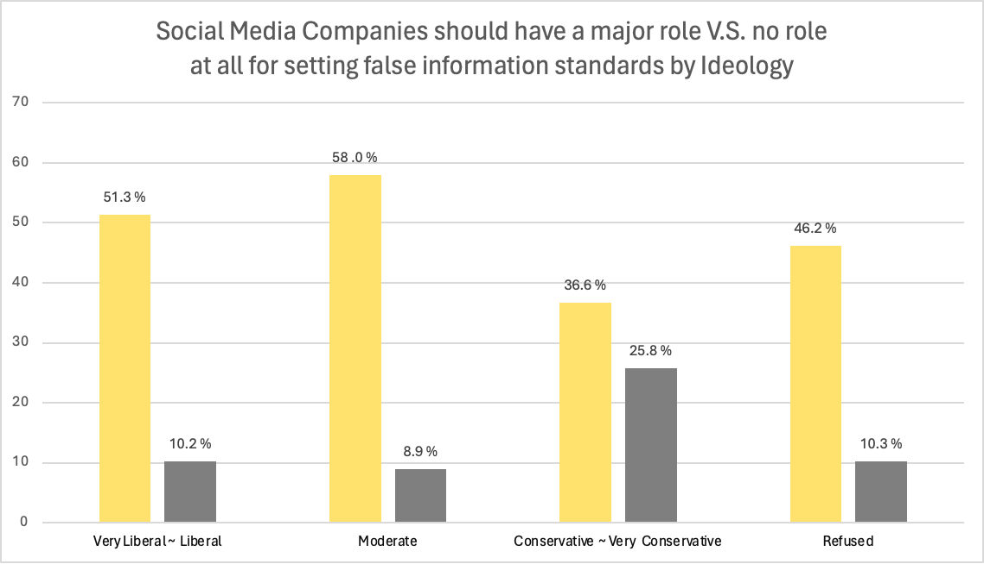
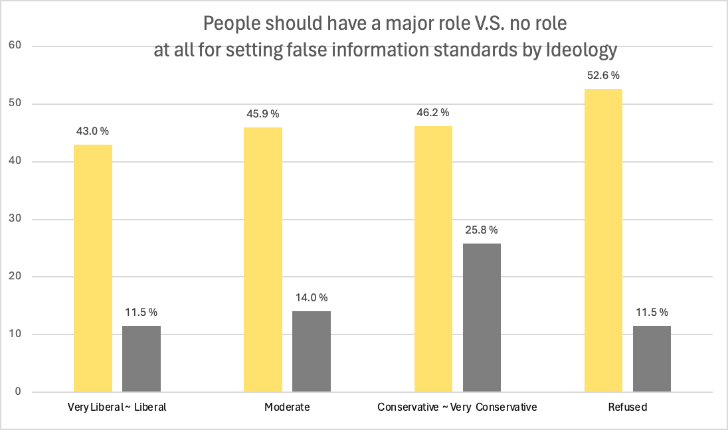
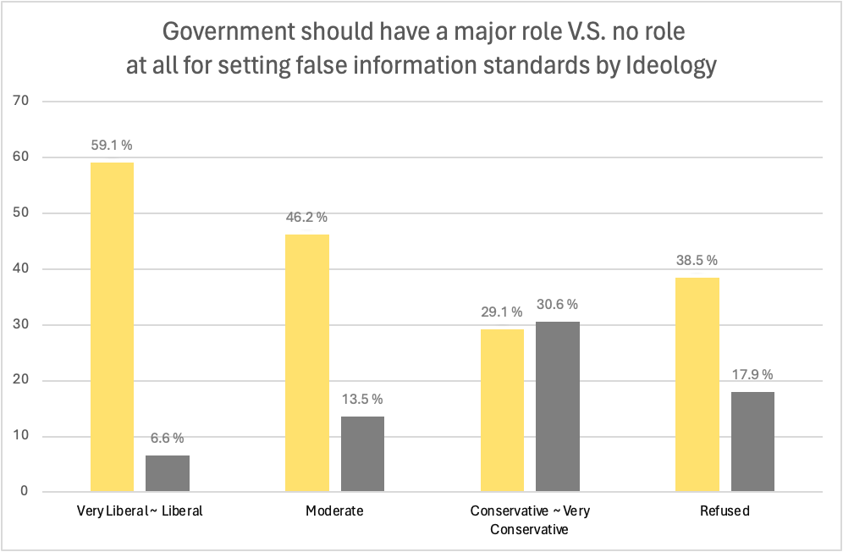
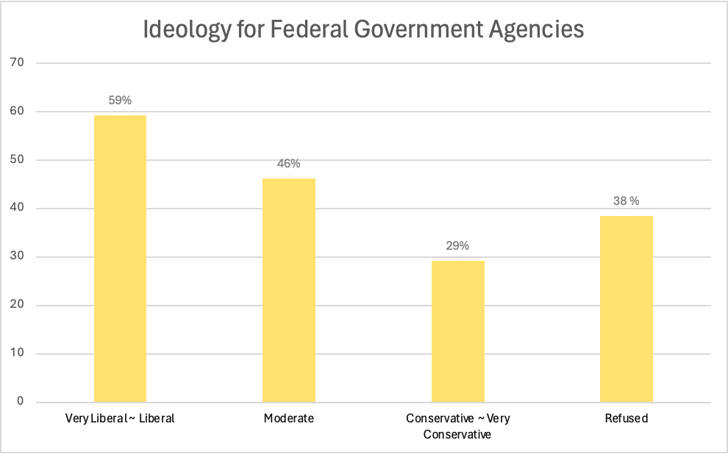
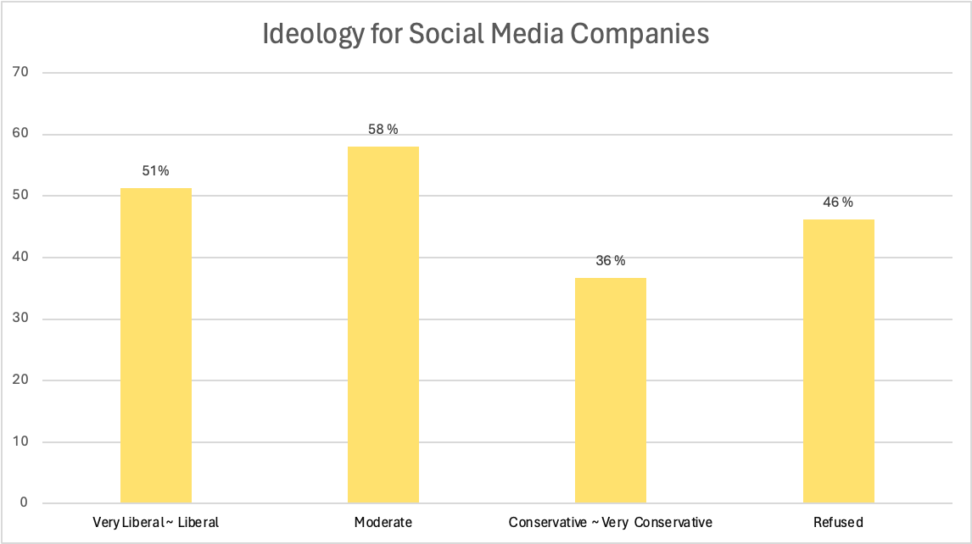
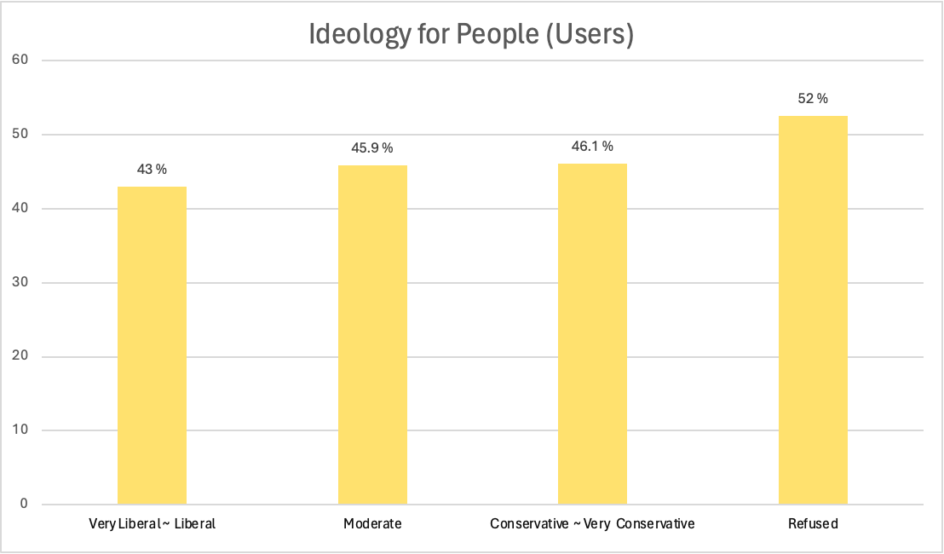
F_IDEO
 | SMALG9_a_W99 (Role of federal government agencies in setting standards for finding false information) | SMALG9_b_W99 (Role of social media companies in setting standards for finding false information) | SMALG9_c_W99 (Role of social media users in setting standards for finding false information)
Very Liberal | 61.556604 | 45.754717 | 43.867925
Liberal | 56.736035 | 56.845564 | 42.059146
Moderate | 46.249325 | 58.014031 | 45.925526
Conservative | 29.464286 | 39.0625 | 51.934524
Very Conservative | 28.83549 | 34.195933 | 56.192237
Refused | 38.461538 | 46.153846 | 52.564103

